Description
Train Position Information

Authors:

Steinke. Uwe (Siemens), Welte, Jan (TU-BS)

Reviewers:

Reviewers of this document

Date and version:

Date | Version | Authors | Description
2013-11-13 | V 1.0
2013-11-18 | V 2.0 | M. Petit-Doche | Corrections on the template and comments (in red)

Input documents:

* Subset 26 §3.6 (except § 3.6.6)
* Subset 26 Chapter 3, Chapter 7, Chapter 8

Files to complete this analysis

* SysML Model (SUBSET_26-3-3-0_Chapter-3-6)

Description

This Function describes the location principles applied in ETCS. Therefore the location data and all basic management functions are specified. In addition the Position reporting to the RBC is presented.

Design choices

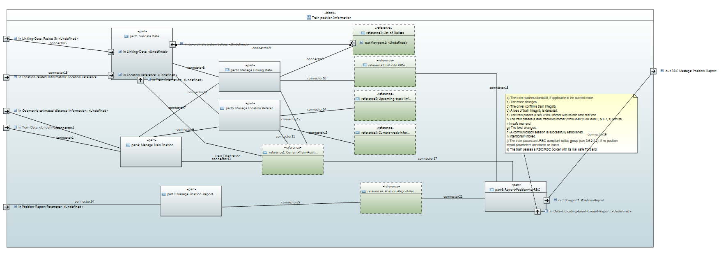

 | Functions
 | Data Storage

